MAO

 |  |  | MAO Calculator

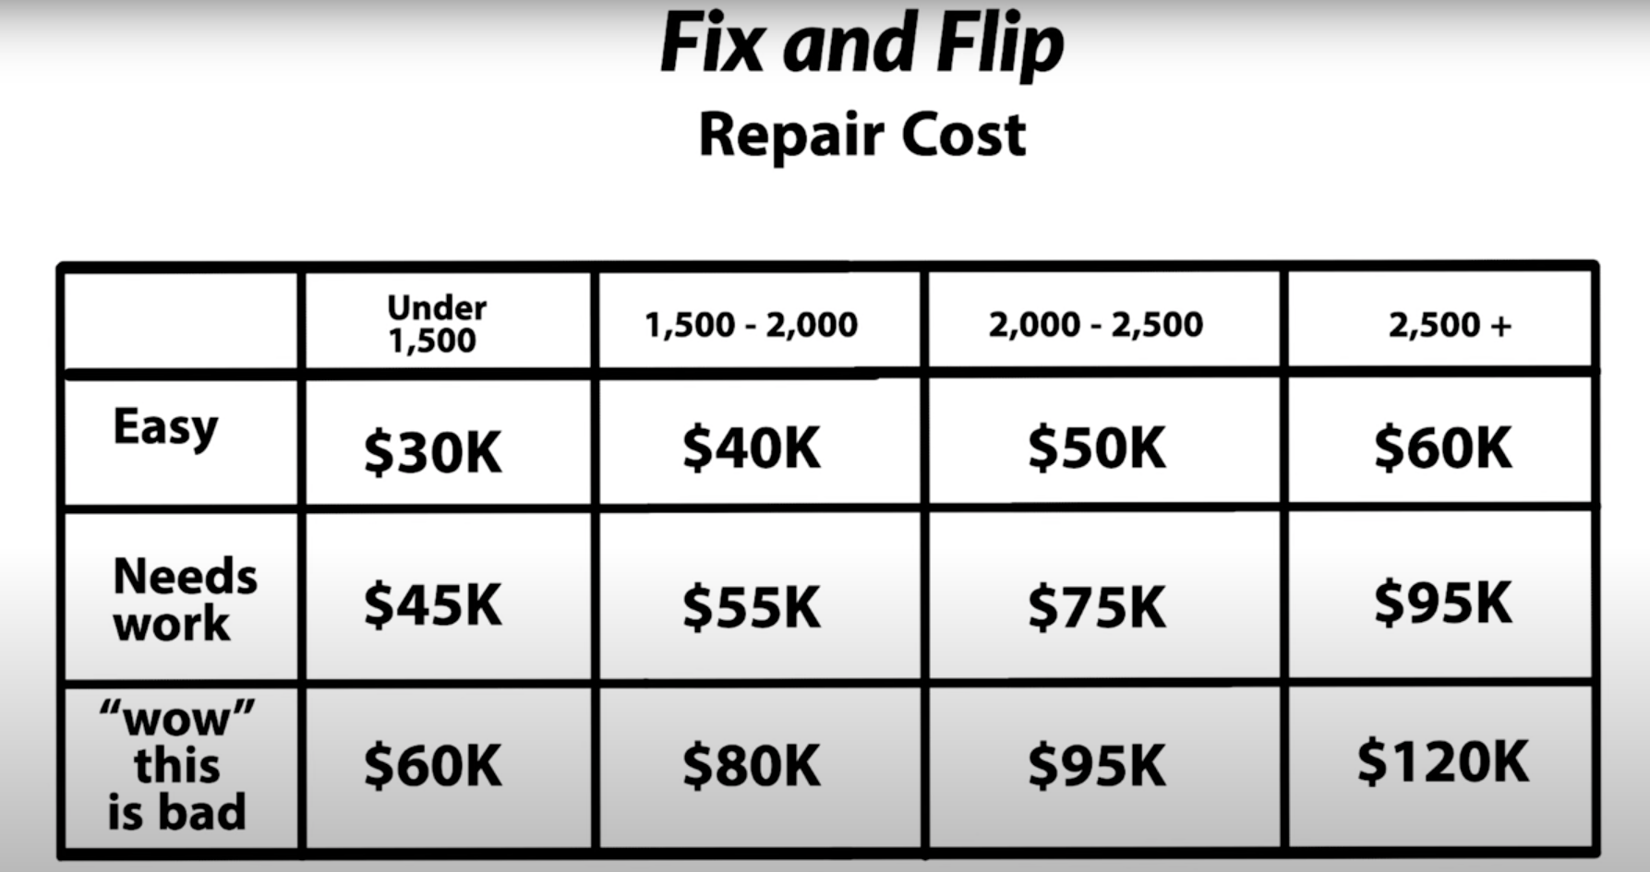
Prepared by: |  |  |  | Owner:
Date: |  |  |  | Property Address:
Phone Number: |  |  |  | City, ST Zip:
Home SQ FT: |  |  |  | Contact Number:

Percent Method |  |  |  | ARV x 70% - Repairs = MAO

 | Input | Total |  |  | Input | Total
ARV |  | $420,000 |  | ARV |  | $420,000
Costs | 66.00% | $277,200 |  | Market Value | 70% | $294,000
 |  |  |  | Size of Property | 1,700
 |  |  |  | Renovation level | Large | $50,000

MAO |  | $277,200 |  | MAO |  | $244,000

Notes: |  |  |  | Kevin Method
250,000 and up | 66% | 50.00%
250,000 - 100,000 | 50% | 35.00% |  |  | Input | Total
100,000 and Below | 25% | 15.00% |  | ARV |  | $515,000
 |  |  |  | Closing Costs |  | $10,000
 |  |  |  | Size of Property | 1800
 |  |  |  | Renovation level | Large | $26
 |  |  |  | Renovation Price |  | $46,800
 |  |  |  | Market Value | 80% | $412,000

 |  |  |  | MAO |  | $355,200

 |  |  |  | Notes:
 |  |  |  | paint and carpet $SMALL
 |  |  |  | paint/ carpet and kitchen bathroom remodels "MEDIUM"
 |  |  |  | paint/ carpet, kitchen/bathroom remodels + HVAC OR ROOF "LARGE"
 |  |  |  | (hvac older than 15 years, roof older than 20 years
 |  |  |  | 75% in sub markets 85% in main markets

